Application Screen
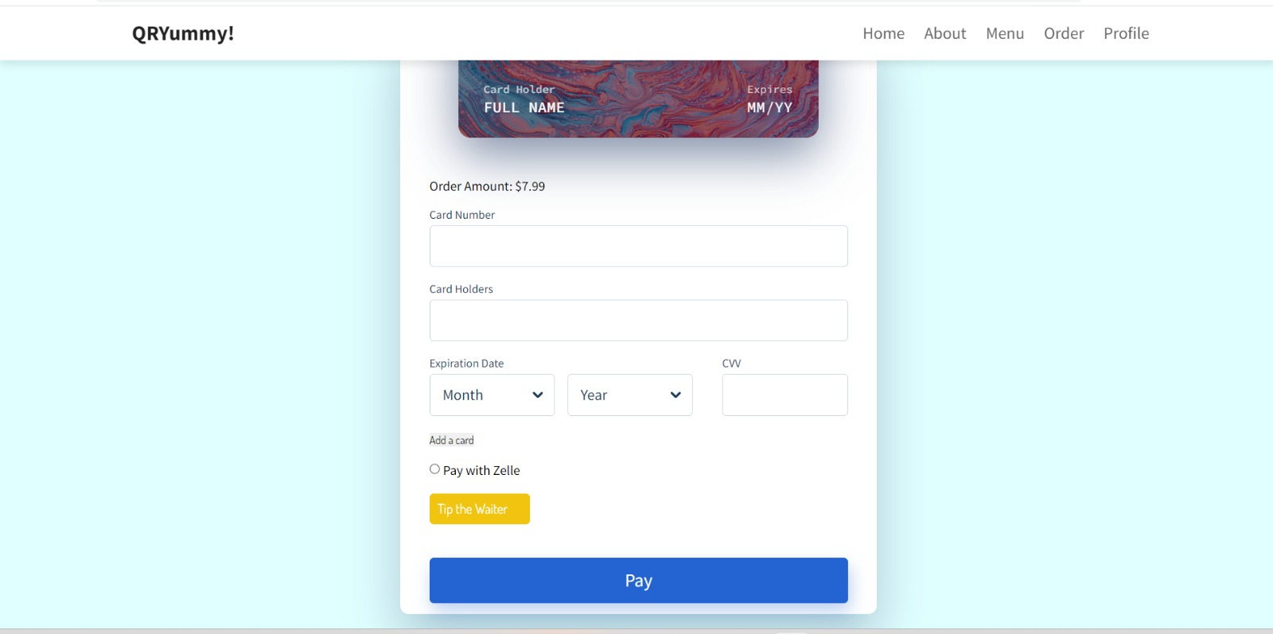

Test Case 2
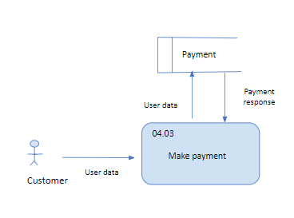
TC Title: | Make a Payment - Core Functionality Testing + Data Dependency Validation + Data Flow In/out

TC Objective: | The objective of this test case to validate the core functionality of the feature which is to make a payment by selecting the added payment methods and submitting the payment

TC Description
 | Step | Step Description | Expected Results
 | 1 | Select the payment method | see if payment method is selecting and processing for the payment
 | 2 | submit the payment | see if payment is submitting for the order placed
 | 3 | validate the payment | see if payment is processed properly

